Image
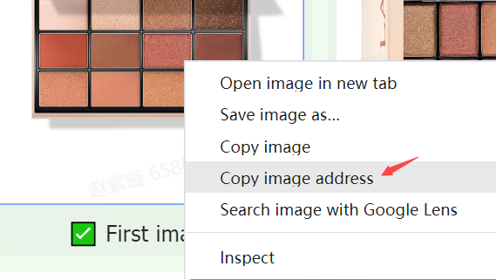
Image guidelines and requirements | Examples
Products on TikTok Shop must have clear and accurate images. Images should only show the products for sale and be consistent with product names and descriptions. | 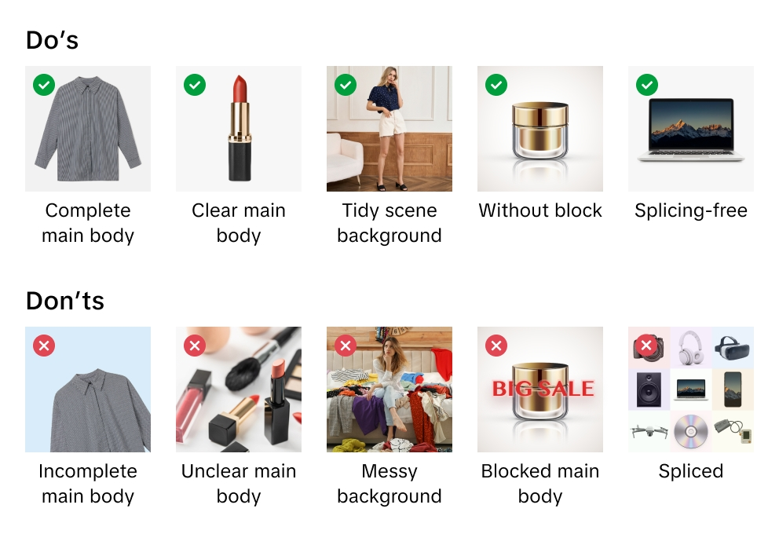
TikTok Shop reserves the right to decline images that don't meet our guidelines or requirements.
When you upload images, you confirm that you have verified your rights and permissions to use the images for commercial purposes.
We recommend uploading at least 5 images for each product, including front and back images. Additional images should show the product from different angles and showcase product details. Always use high-quality images. They are the primary way customers learn about your product.
Supported image file formats include JPEG, JPG, or PNG.
The minimum image resolution is 600x600 pixels. We recommend using 1600x1600 pixels.

Main image
Optimize the quality of main image. The main image is your customer's first and most important impression of your product.
Use a white background for your main image. The color parameters are (RGB 255, 255, 255).
Main images must have an aspect ratio of 3:4 to 4:3, and the longest side must be at least 600 pixels.
Your product should occupy at least 85% of the available space in the main image.

Additional images
Add at least 4 additional images. Use the additional images to highlight features not shown in the main image. Showcase different angles and details and add close-up images of your products.
A white background is recommended for additional images but is not mandatory.

Variant images
Variant images should show differences in color, size, or other variations to assist customers in purchasing decisions.
A white background is recommended for variant images but is not mandatory.

Instructions for Uploading Images
What is an image URL? An image URL is a web address specifying an image's location. The URL must link directly to the image. It typically ends with or includes a file extension that indicates the image format, such as ".jpg" or ".png." For example, https://example.com/images/picture.jpg.
You can upload image files in 2 ways:
1) For images stored on your computer If you've named and saved product image files on your computer, you can upload your image files to TikTok Shop's Media Center. After you upload image files, copy the provided URL links for each image. Paste image URLs into the correct spreadsheet columns for main, additional, or variant images.

2) For images stored online If you've named and saved product image files on a web server, you can add image URLs to your product listing. To find the URL, right-click on the image on your server and select "Copy image address," "URL," or "Location." Paste image URLs into the correct spreadsheet columns for main, additional, or variant images.

